General Information
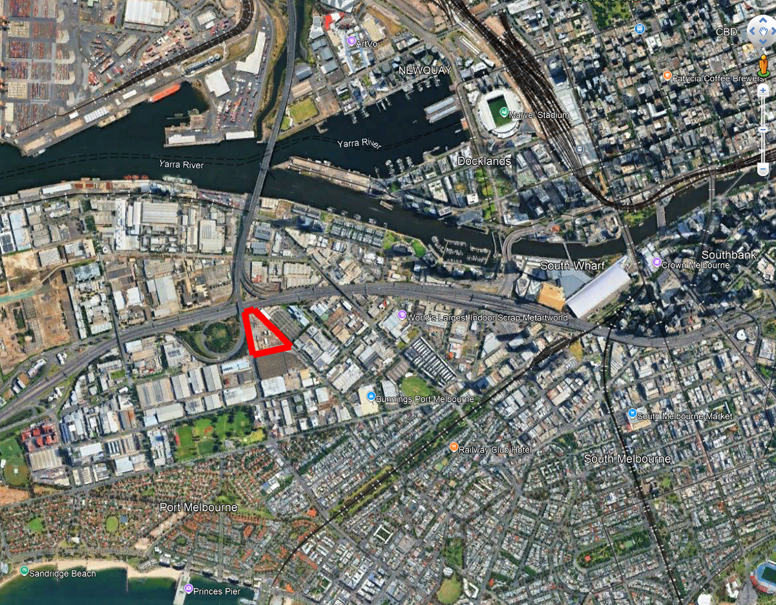
Integrated Entertainment and Recreational Development
349 Bridge Street Melbourne
Live House Music Venue - following our discussions there is a need for a 4,000 to 5,000 live venue for the Melbourne market that is suitably located to avoid issues of noise and congestion for the local community. The location within our proposed precinct will provide a beneficial location for this development and allow for the improved development of access to culture, music, entertainment and activity. We are looking forward to understanding more about this concept from you so that we may prepare a joint presentation to Council, Goodman and the State government teams involved in Sport, Education, Tourism, Planning and Labour.

URWLD - an active leisure concept that will house a Sports Climbing Centre of Excellence as well as a range of 15-18 active leisure activities including surfing, scuba, ice climbing, sports climbing, bouldering, canyoning, coasteering, ninja, junior climb academy, and a range of VR activities such as skiing, snowboarding, squirrel suit, tennis, golf and other immersive game concepts. There will also be an eSports arena and concept area and interactive video games concepts. These will be supported by 4 quality, chef curated F&B concepts and 2 event venues. URWLD addresses a key community and society issue of encouraging the entire populace to be active to support lifestyle mindset change and impact the alarming trend of obesity, diabetes and inactivity that threatens our future generations. By providing an accessible environment to help introduce a broad range of activities that encourage movement we will work to address this through our communications and positioning as well as with our event activities, TedTalks hosted and others to promote improving mobility for all age groups

PARKING - we are in discussions with Wilson Parking to JV on a 900 space parking building connected to URWLD to service the precinct as well as to support the government policy on congestion reduction within the CBD. We will provide business day parking with shuttle service into the CBD area to Spencer St transport hub for trains, trams and buses. In the future when the Plummer St Light Rail/Tram is undertaken by state government the proximity will allow us to reduce shuttle services. The parking building will connect to both the live venue and URWLD buildings

COSM - we have an EOI with a group in Melbourne who are negotiating the license for COSM. This is a highly immersive sports and entertainment experience with also educational opportunities for day use. We believe it will be a highly successful component of the precinct. www.cosm.com

Central Park - in keeping with the need for green space and open areas for common use we have allocated space within the site for a central park which we plan to develop with native landscape focus and a central courtyard as a "FOOD TRUCK" park highlighting handheld foods from numerous cultures as part of our F&B offering. This area will also be used for day time and evening buskers for entertainment.

Employment and Community - We believe that our combined development will create almost 1,000 FTE jobs within our precinct and support the planned redevelopment of the Fishermans Bend Urban Renewal Framework by encouraging further state and federal investment in infrastructure of light rail, metro and roads as well as private investor development of the larger sites for increased residential and commercial use of the area.

The zone we are developing will include, on a site of 34,400 square metres:

Dashboard
PORT MELBOURNE LIVE HOUSE — EXECUTIVE DASHBOARD
Port Melbourne Live House |  |  |  |  |  |  |  |  |  |  |  |  |  | Active Scenario | Base
 |  |  |  |  |  |  |  |  |  |  |  |  |  | Model Health | OK

 | Summary
 | FY | FY25 | FY26 | FY27 | FY28 | FY29 | FY30 | FY31 | FY32 | FY33 | FY34 | FY35 | FY36
 | Revenue | $0 | $0 | $0 | $18,192,909 | $19,173,295 | $20,282,270 | $20,817,159 | $21,296,978 | $21,790,858 | $22,299,211 | $22,822,464 | $23,361,053
 | EBITDA | $0 | $0 | $0 | $13,999,302 | $14,401,312 | $15,322,990 | $15,770,796 | $16,058,922 | $15,923,838 | $16,210,473 | $16,547,519 | $16,893,778
 | Closing Cash | $0 | $1,707,500 | $16,050,500 | -$1,231,018 | -$396,008 | $513,409 | $1,533,143 | $2,307,422 | $3,446,827 | $4,589,137 | $5,787,287 | $142,197,970
 | Total Debt | $0 | $0 | $9,220,500 | $8,196,000 | $7,171,500 | $6,147,000 | $5,122,500 | $4,098,000 | $3,073,500 | $2,049,000 | $1,024,500 | $0
 | DSCR |  |  | 0.0x | 8.35x | 9.02x | 10.10x | 10.97x | 11.8x | 12.5x | 13.5x | 14.8x | 16.3x
 | ICR |  |  | 0.00x | 20.09x | 23.43x | 28.76x | 34.99x | 43.54x | 55.51x | 79.11x | 134.60x | 412.24x
 | Net Leverage (Net Debt/EBITDA) |  |  |  | 0.59x | 0.50x | 0.40x | 0.32x | 0.26x | 0.19x | 0.13x | 0.06x | 0.00x

PORT MELBOURNE LIVE HOUSE — EXECUTIVE DASHBOARD
Port Melbourne Live House |  |  |  |  |  |  |  |  |  |  |  |  |  | Active Scenario | Base
 |  |  |  |  |  |  |  |  |  |  |  |  |  | Model Health | OK

 | FINANCIAL SUMMARY
 |  | FY25 | FY26 | FY27 | FY28 | FY29 | FY30 | FY31 | FY32 | FY33 | FY34 | FY35 | FY36
 | Revenue | $0 | $0 | $18,192,909 | $19,173,295 | $20,282,270 | $20,817,159 | $21,296,978 | $21,790,858 | $22,299,211 | $22,822,464 | $23,361,053 | $23,361,053
 | EBITDA | $0 | $0 | $13,999,302 | $14,401,312 | $15,322,990 | $15,770,796 | $16,058,922 | $15,923,838 | $16,210,473 | $16,547,519 | $16,893,778 | $16,893,778
 | Closing Cash | $1,707,500 | $16,050,500 | -$1,231,018 | -$396,008 | $513,409 | $1,533,143 | $2,307,422 | $3,446,827 | $4,589,137 | $5,787,287 | $142,197,970 | $142,197,970
 | Total Debt | $0 | $9,220,500 | $8,196,000 | $7,171,500 | $6,147,000 | $5,122,500 | $4,098,000 | $3,073,500 | $2,049,000 | $1,024,500 | $0 | $0

Closing Cash Balance
Event Days Mix (Exit FY)
 | DEBT & LEVERAGE |  |  | KEY INVESTMENT METRICS
 | Metric | Value |  | Metric | Value
 | Total Debt Facility | $10,245,000 |  | Total Capex | $17,075,000
 | Bank Debt | $10,245,000 |  | Total Equity | $7,610,000
 | PE Equity | $5,122,500 |  | Total Debt | $10,245,000
 | Bank Term (years) | 10 years |  | Debt/Equity Ratio | 134.6%
 | PE Equity Injection Year | FY27 |  | Project IRR | 75.5%
 | Bank Interest Rate | 8.00% |  | Equity IRR | 36.2%
 | Shareholder Loan Toggle | OFF |  | MOIC | 21.97x
 | Debt/Total Capex | 60.0% |  | Payback Period | FY29

 | VALUATION SUMMARY
 | Metric | Value | Notes
 | WACC | 10.0% | Discount rate
 | Exit Multiple | 8.0x | EBITDA multiple
Debt, CFADS & DSCR
 | Total Debt | #REF! | DSCR
FY25 | $0 | 100.00% | 0.0x
FY26 | $0 |  | 0.0x
FY27 | $0 |  | 0.0x
FY28 | $9,220,500 |  | 0.0x
FY29 | $8,196,000 |  | 8.3x
FY30 | $7,171,500 |  | 9.0x
FY31 | $6,147,000 |  | 10.1x
FY32 | $5,122,500 |  | 11.0x
FY33 | $4,098,000 |  | 11.8x
FY34 | $3,073,500 |  | 12.5x
FY35 | $2,049,000 |  | 13.5x
FY36 | $1,024,500 |  | 14.8x
 | $0 |  | 16.3x
 | Exit EBITDA | $16,893,778 | FY36 EBITDA
Revenue & EBITDA
 | Terminal Value | $135,150,221 | Exit value
 | Enterprise Value | $92,246,992 | DCF valuation
 | Net Debt (Exit) | $6,830,000 | Debt - Cash at exit
 | Equity Value | $99,076,992 | EV less Net Debt

 | RETURN METRICS
 | Metric | Value | Description
 | Project IRR | 75.5% | Unlevered return
 | Equity IRR | 36.2% | Levered return
 | Project NPV @ WACC | $92,246,992 | Value creation
 | Equity NPV @ Ke | $99,076,992 | Value to equity
 | MOIC | 21.97x | Cash multiple
 | Yield on Cost | 82.0% | Stabilised EBITDA / Capex

 | DEBT & LEVERAGE |  |  | KEY INVESTMENT METRICS | Value
 | Metric | Value |  | Metric | Value
 | Total Debt Facility | $10,245,000 |  | Total Capex | $17,075,000
 | Bank Debt | $10,245,000 |  | Equity Required | $2,487,500
 | PE Loan | $0 |  | Total Debt | $10,245,000
 | Bank Term (years) | 10 years |  | Debt/Equity Ratio | 411.9%
 | PE Term (years) | 10 years |  | Project IRR | 75.5%
 | Bank Interest Rate | 8.00% |  | Equity IRR | 36.2%
 | PE Interest Rate | 12.00% |  | MOIC | 21.97x
 | Debt Payoff Year | FY32 |  | Payback Period | FY34
 | Debt/Total Capex | 0.6x
 | VENUE CAPACITY |  |  | PROFITABILITY METRICS (EXIT FY)
 | Configuration | Capacity |  | Metric | Value
 | Music GA (Large) | $5,000 |  | Total Revenue | $23,361,053
 | Music GA (Medium) | $3,000 |  | Gross Profit | $23,262,557
 | Music GA (Small) | $1,500 |  | Gross Margin % | 99.6%
 | EDM/Dance | 3,500 |  | EBITDA | $16,893,778
 | Seated Events | 3,500 |  | EBITDA Margin % | 72.3%
 | MICE/Corporate | 3500 |  | NPAT | $11,796,958
 | Community | $2,000 |  | Net Margin % | 50.5%
 | Max Capacity | 500000.0%

 | PROJECT TIMELINE |  |  | REVENUE MIX (EXIT FY)
 | Milestone | Date |  | Stream | Value
 | Model Start | 27-Feb-2025 |  | VHA | $7,499,918
 | Lease Signing | 01-Jun-2026 |  | Premium Sales | $1,024,084
 | Construction Start | 02-Feb-2027 |  | Premium F&B | $142,788
 | Construction End | 30-Jun-2027 |  | F&B | 13862947.2%
 | Operations Start | 01-Jul-2027 |  | Merchandise | 715209802.7%
 | Model End | 28-Feb-2037 |  | Equipment Hire | 2548000
 | Exit Year | FY36 |  | Sponsorship | $2,310,396
 | Project Duration | 12 years |  | Advertising | 71809620.8%

 | OPEX MIX (EXIT FY) |  |  | EVENT DAYS MIX (EXIT FY)
 | Category | Value |  | Event Type | Days
 | Staff Costs | $2,831,589 |  | Music GA (all tiers) | $52
 | Lease / Rent | $350,000 |  | EDM | $18
 | Utilities | $260,955 |  | Seated Music | $15
 | Maintenance | 0.0% |  | Comedy | 1500.0%
 | Marketing | 6523865.9% |  | Sports | 300.0%
 | Admin/Legal/Insurance/etc | 596520 |  | MICE | 29
 | Other OPEX | $0 |  | Community | $12
 |  |  |  | Live Site | 1000.0%

 | DEBT COVERAGE RATIOS |  |  | EVENT INDUSTRY KPIs (EXIT FY)
 | Metric | Value |  | Metric | Value | Units
 | Average DSCR | 9.61x |  | Annual Event Days | 180 | days
 | Minimum DSCR | 8.35x |  | Total Revenue | $23,361,053 | A$
 | Average ICR | 26.82x |  | Revenue per Event Day | $129,784 | A$/day
 | Minimum ICR | 20.09x |  | EBITDA per Event Day | $93,854 | A$/day
 |  |  |  | Yield on Cost | 82.0% | %

 | SENSITIVITY SUMMARY
 | Enterprise Value Sensitivity (WACC vs Exit Multiple)
 | EV ($m) | 6.0x | 7.0x | 8.0x | 9.0x | 10.0x
 | 8% | $47m | $55m | $63m | $70m | $78m
 | 9% | $43m | $50m | $57m | $64m | $71m
 | 10% | $39m | $46m | $52m | $59m | $65m
 | 11% | $36m | $42m | $48m | $54m | $59m
 | 12% | $33m | $38m | $44m | $49m | $54m

▲ END OF REBUILT DASHBOARD ▲

